UK
 | Jan-2020 | Feb-2020 | Mar-2020 | Apr-2020 | May-2020 | Jun-2020 | Jul-2020 | Aug-2020 | Sep-2020 | Oct-2020 | Nov-2020 | Dec-2020 | Jan-2021 | Feb-2021 | Mar-2021 | Apr-2021 | May-2021 | Jun-2021 | Jul-2021 | Aug-2021 | Sep-2021 | Oct-2021 | Nov-2021 | Dec-2021 | Jan-2022 | Feb-2022 | Mar-2022 | Apr-2022 | May-2022 | Jun-2022 | Jul-2022 | Aug-2022 | Sep-2022 | Oct-2022 | Nov-2022 | Dec-2022 | Jan-2023

CPI-of all items | 1.75 | 1.73 | 1.55 | 0.92 | 0.68 | 0.80 | 1.15 | 0.51 | 0.75 | 0.89 | 0.58 | 0.82 | 0.93 | 0.73 | 0.96 | 1.64 | 2.12 | 2.45 | 2.09 | 3.03 | 2.92 | 3.83 | 4.58 | 4.84 | 4.90 | 5.48 | 6.22 | 7.78 | 7.87 | 8.18 | 8.76 | 8.61 | 8.81 | 9.59 | 9.35 | 9.24 | 8.84

 | Frequency |  |  |  |  | Quarterly
 | Period |  |  |  |  | Q1-2020 | Q2-2020 | Q3-2020 | Q4-2020 | Q1-2021 | Q2-2021 | Q3-2021 | Q4-2021 | Q1-2022 | Q2-2022 | Q3-2022 | Q4-2022
 | Country | Measure | Subject | Unit
 | United Kingdom | GPSA: Growth rate based on seasonally adjusted volume data, percentage change on the previous quarter | B1_GE: Gross domestic product - expenditure approach | Percentage | i | -2.6 | -21.0 | 16.6 | 1.2 | -1.1 | 6.5 | 1.7 | 1.5 | 0.5 | 0.1 | -0.2 | -0.0 | 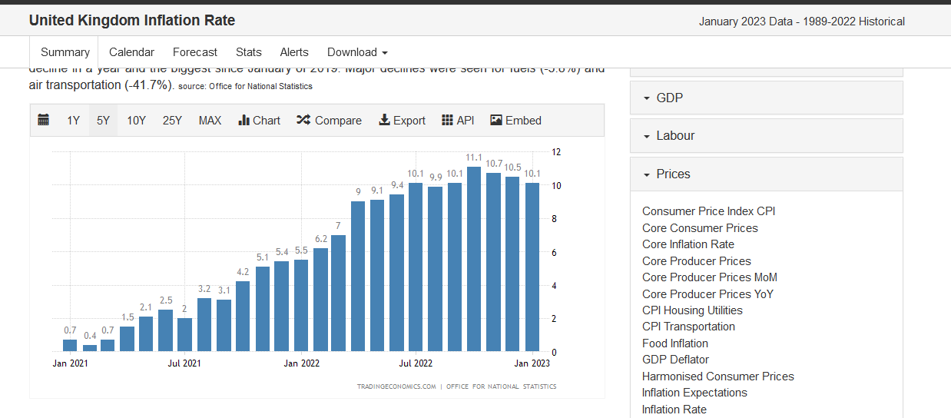

 | 0 | 0 | CPI-of all items
 | Jan-2020 |  | 1.75
 | Feb-2020 |  | 1.73
 | Mar-2020 |  | 1.55
 | Apr-2020 |  | 0.92
 | May-2020 |  | 0.68
 | Jun-2020 |  | 0.8
 | Jul-2020 |  | 1.15
 | Aug-2020 |  | 0.51
 | Sep-2020 |  | 0.75
 | Oct-2020 |  | 0.89
 | Nov-2020 |  | 0.58
 | Dec-2020 |  | 0.82
 | Jan-2021 |  | 0.93
 | Feb-2021 |  | 0.73
 | Mar-2021 |  | 0.96
 | Apr-2021 |  | 1.64
 | May-2021 |  | 2.12
 | Jun-2021 |  | 2.45
 | Jul-2021 |  | 2.09
 | Aug-2021 |  | 3.03
 | Sep-2021 |  | 2.92
 | Oct-2021 |  | 3.83
 | Nov-2021 |  | 4.58
 | Dec-2021 |  | 4.84
 | Jan-2022 |  | 4.9
 | Feb-2022 |  | 5.48
 | Mar-2022 |  | 6.22
 | Apr-2022 |  | 7.78
 | May-2022 |  | 7.87
 | Jun-2022 |  | 8.18
 | Jul-2022 |  | 8.76
 | Aug-2022 |  | 8.61
 | Sep-2022 |  | 8.81
 | Oct-2022 |  | 9.59
 | Nov-2022 |  | 9.35
 | Dec-2022 |  | 9.24
 | Jan-2023 |  | 8.84

USA
 | Jan-2020 | Feb-2020 | Mar-2020 | Apr-2020 | May-2020 | Jun-2020 | Jul-2020 | Aug-2020 | Sep-2020 | Oct-2020 | Nov-2020 | Dec-2020 | Jan-2021 | Feb-2021 | Mar-2021 | Apr-2021 | May-2021 | Jun-2021 | Jul-2021 | Aug-2021 | Sep-2021 | Oct-2021 | Nov-2021 | Dec-2021 | Jan-2022 | Feb-2022 | Mar-2022 | Apr-2022 | May-2022 | Jun-2022 | Jul-2022 | Aug-2022 | Sep-2022 | Oct-2022 | Nov-2022 | Dec-2022 | Jan-2023

CPI-of all items | 2.49 | 2.34 | 1.53 | 0.29 | 0.05 | 0.58 | 0.93 | 1.26 | 1.33 | 1.13 | 1.12 | 1.32 | 1.37 | 1.63 | 2.55 | 4.09 | 4.93 | 5.31 | 5.26 | 5.17 | 5.33 | 6.17 | 6.76 | 6.99 | 7.43 | 7.83 | 8.46 | 8.20 | 8.52 | 8.97 | 8.46 | 8.21 | 8.19 | 7.75 | 7.13 | 6.52 | 6.33

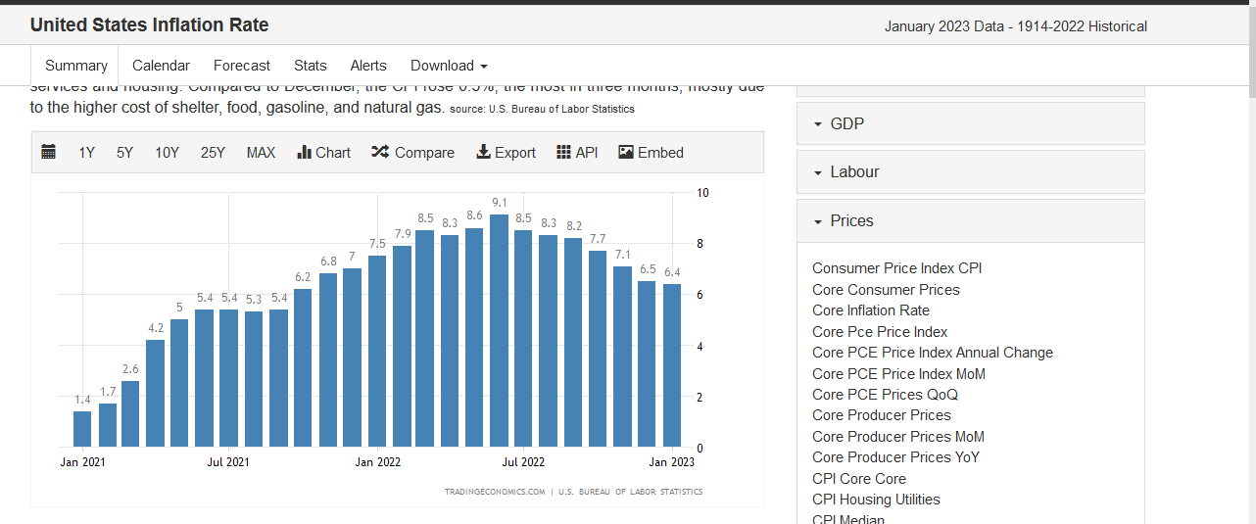
 | Frequency |  |  |  |  | Quarterly
 | Period |  |  |  |  | Q1-2020 | Q2-2020 | Q3-2020 | Q4-2020 | Q1-2021 | Q2-2021 | Q3-2021 | Q4-2021 | Q1-2022 | Q2-2022 | Q3-2022 | Q4-2022
 | Country | Measure | Subject | Unit
 | United States | GPSA: Growth rate based on seasonally adjusted volume data, percentage change on the previous quarter | B1_GE: Gross domestic product - expenditure approach | Percentage | i | -1.2 | -8.5 | 7.9 | 1.0 | 1.5 | 1.7 | 0.7 | 1.7 | -0.4 | -0.1 | 0.8 | 0.7

0 | 0 | CPI-of all items
Jan-2020 |  | 2.491633
Feb-2020 |  | 2.340293
Mar-2020 |  | 1.53078
Apr-2020 |  | 0.2859578
May-2020 |  | 0.05128058
Jun-2020 |  | 0.581271
Jul-2020 |  | 0.9333359
Aug-2020 |  | 1.264507
Sep-2020 |  | 1.332004
Oct-2020 |  | 1.130982
Nov-2020 |  | 1.122155
Dec-2020 |  | 1.323012
Jan-2021 |  | 1.365915
Feb-2021 |  | 1.630144
Mar-2021 |  | 2.554887
Apr-2021 |  | 4.091169
May-2021 |  | 4.926312
Jun-2021 |  | 5.308077
Jul-2021 |  | 5.263089
Aug-2021 |  | 5.173857
Sep-2021 |  | 5.331813
Oct-2021 |  | 6.168981
Nov-2021 |  | 6.756291
Dec-2021 |  | 6.985817
Jan-2022 |  | 7.431089
Feb-2022 |  | 7.831419
Mar-2022 |  | 8.459524
Apr-2022 |  | 8.196611
May-2022 |  | 8.519896
Jun-2022 |  | 8.968371
Jul-2022 |  | 8.461721
Aug-2022 |  | 8.21499
Sep-2022 |  | 8.189109
Oct-2022 |  | 7.746692
Nov-2022 |  | 7.128345
Dec-2022 |  | 6.516674
Jan-2023 |  | 6.331667

India
 | Jan-2020 | Feb-2020 | Mar-2020 | Apr-2020 | May-2020 | Jun-2020 | Jul-2020 | Aug-2020 | Sep-2020 | Oct-2020 | Nov-2020 | Dec-2020 | Jan-2021 | Feb-2021 | Mar-2021 | Apr-2021 | May-2021 | Jun-2021 | Jul-2021 | Aug-2021 | Sep-2021 | Oct-2021 | Nov-2021 | Dec-2021 | Jan-2022 | Feb-2022 | Mar-2022 | Apr-2022 | May-2022 | Jun-2022 | Jul-2022 | Aug-2022 | Sep-2022 | Oct-2022 | Nov-2022 | Dec-2022 | Jan-2023

CPI-of all items
 | Frequency |  |  |  |  | Quarterly
 | Period |  |  |  |  | Q1-2020 | Q2-2020 | Q3-2020 | Q4-2020 | Q1-2021 | Q2-2021 | Q3-2021 | Q4-2021 | Q1-2022 | Q2-2022 | Q3-2022 | Q4-2022
 | Country | Measure | Subject | Unit
 | 7.59
 | 6.58
 | 5.84
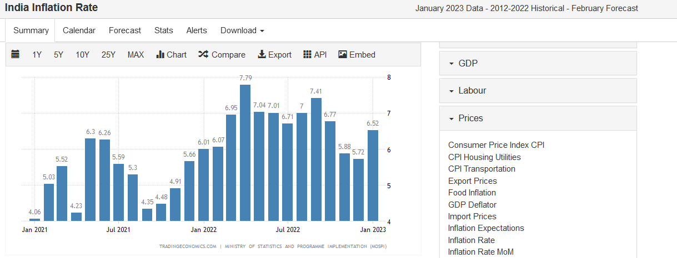
 | 7.22
 | 6.26
 | 6.23
 | 6.73
 | 6.69
 | 7.27
 | 7.61
 | 6.93
 | 4.59
 | 4.06
 | 5.03
 | 5.52
 | 4.23
 | 6.3
 | 6.26
 | 5.59
 | 5.3
 | 4.35
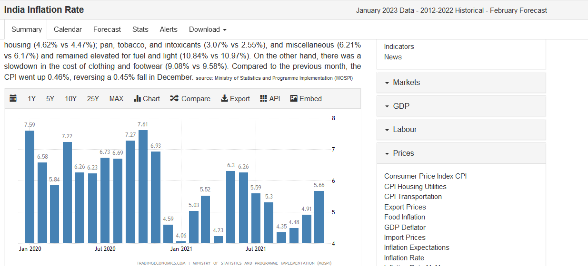
 | 4.48
 | 4.91
 | 5.66
 | 6.01
 | 6.07
 | 6.95
 | 7.79
 | 7.04
 | 7.01
 | 6.71
 | 7
 | 7.41
 | 6.77
 | 5.88
 | 5.72
 | 6.52

Germany
 | Jan-2020 | Feb-2020 | Mar-2020 | Apr-2020 | May-2020 | Jun-2020 | Jul-2020 | Aug-2020 | Sep-2020 | Oct-2020 | Nov-2020 | Dec-2020 | Jan-2021 | Feb-2021 | Mar-2021 | Apr-2021 | May-2021 | Jun-2021 | Jul-2021 | Aug-2021 | Sep-2021 | Oct-2021 | Nov-2021 | Dec-2021 | Jan-2022 | Feb-2022 | Mar-2022 | Apr-2022 | May-2022 | Jun-2022 | Jul-2022 | Aug-2022 | Sep-2022 | Oct-2022 | Nov-2022 | Dec-2022

CPI-of all items | 1.75 | 1.72 | 1.36 | 0.87 | 0.56 | 0.82 | -0.02 | -0.05 | -0.21 | -0.19 | -0.25 | -0.27 | 1.08 | 1.31 | 1.77 | 2.01 | 2.52 | 2.32 | 3.68 | 3.90 | 4.15 | 4.53 | 5.17 | 5.27 | 4.87 | 5.14 | 7.25 | 7.37 | 7.91 | 7.60 | 7.56 | 7.91 | 9.92 | 10.42 | 10.07 | 8.61

 | Frequency |  |  |  |  | Quarterly
 | Period |  |  |  |  | Q1-2020 | Q2-2020 | Q3-2020 | Q4-2020 | Q1-2021 | Q2-2021 | Q3-2021 | Q4-2021 | Q1-2022 | Q2-2022 | Q3-2022 | Q4-2022
 | Country | Measure | Subject | Unit
 | Germany | GPSA: Growth rate based on seasonally adjusted volume data, percentage change on the previous quarter | B1_GE: Gross domestic product - expenditure approach | Percentage | i | -1.4 | -9.5 | 9.0 | 0.6 | -1.5 | 1.9 | 0.8 | -0.0 | 0.8 | 0.1 | 0.5 | -0.2 |  | 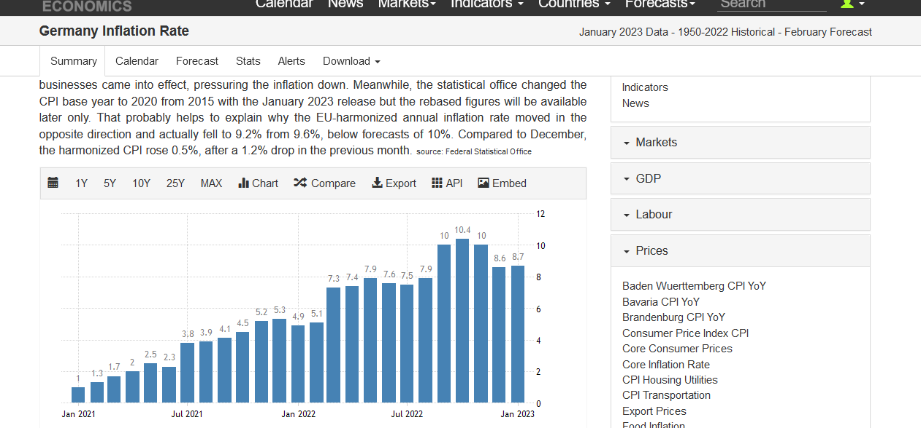

0 | 0 | CPI-of all items
Jan-2020 |  | 1.751234
Feb-2020 |  | 1.722277
Mar-2020 |  | 1.362071
Apr-2020 |  | 0.8652574
May-2020 |  | 0.5595518
Jun-2020 |  | 0.820765
Jul-2020 |  | -0.02062096
Aug-2020 |  | -0.04930146
Sep-2020 |  | -0.2087023
Oct-2020 |  | -0.1853463
Nov-2020 |  | -0.2480266
Dec-2020 |  | -0.2746997
Jan-2021 |  | 1.084224
Feb-2021 |  | 1.313046
Mar-2021 |  | 1.774215
Apr-2021 |  | 2.014496
May-2021 |  | 2.523926
Jun-2021 |  | 2.321751
Jul-2021 |  | 3.684598
Aug-2021 |  | 3.901806
Sep-2021 |  | 4.151547
Oct-2021 |  | 4.529039
Nov-2021 |  | 5.170308
Dec-2021 |  | 5.268912
Jan-2022 |  | 4.871428
Feb-2022 |  | 5.140947
Mar-2022 |  | 7.245572
Apr-2022 |  | 7.368323
May-2022 |  | 7.907159
Jun-2022 |  | 7.596776
Jul-2022 |  | 7.5596
Aug-2022 |  | 7.905259
Sep-2022 |  | 9.922896
Oct-2022 |  | 10.4241
Nov-2022 |  | 10.0739
Dec-2022 |  | 8.614
 |  | 8.7

Italy
 | Jan-2020 | Feb-2020 | Mar-2020 | Apr-2020 | May-2020 | Jun-2020 | Jul-2020 | Aug-2020 | Sep-2020 | Oct-2020 | Nov-2020 | Dec-2020 | Jan-2021 | Feb-2021 | Mar-2021 | Apr-2021 | May-2021 | Jun-2021 | Jul-2021 | Aug-2021 | Sep-2021 | Oct-2021 | Nov-2021 | Dec-2021 | Jan-2022 | Feb-2022 | Mar-2022 | Apr-2022 | May-2022 | Jun-2022 | Jul-2022 | Aug-2022 | Sep-2022 | Oct-2022 | Nov-2022 | Dec-2022

CPI-of all items | 0.49 | 0.25 | 0.14 | 0.08 | -0.24 | -0.27 | -0.35 | -0.53 | -0.57 | -0.31 | -0.21 | -0.11 | 0.33 | 0.56 | 0.75 | 1.03 | 1.25 | 1.32 | 1.88 | 2.08 | 2.56 | 3.02 | 3.68 | 3.91 | 4.82 | 5.75 | 6.46 | 5.99 | 6.88 | 7.98 | 7.92 | 8.37 | 8.85 | 11.79 | 11.82 | 11.59

 | Frequency |  |  |  |  | Quarterly
 | Period |  |  |  |  | Q1-2020 | Q2-2020 | Q3-2020 | Q4-2020 | Q1-2021 | Q2-2021 | Q3-2021 | Q4-2021 | Q1-2022 | Q2-2022 | Q3-2022 | Q4-2022
 | Country | Measure | Subject | Unit
 | Italy | GPSA: Growth rate based on seasonally adjusted volume data, percentage change on the previous quarter | B1_GE: Gross domestic product - expenditure approach | Percentage | i | -5.9 | -12.1 | 14.5 | -0.8 | 0.3 | 2.5 | 2.8 | 0.9 | 0.1 | 1.1 | 0.5 | -0.1 | 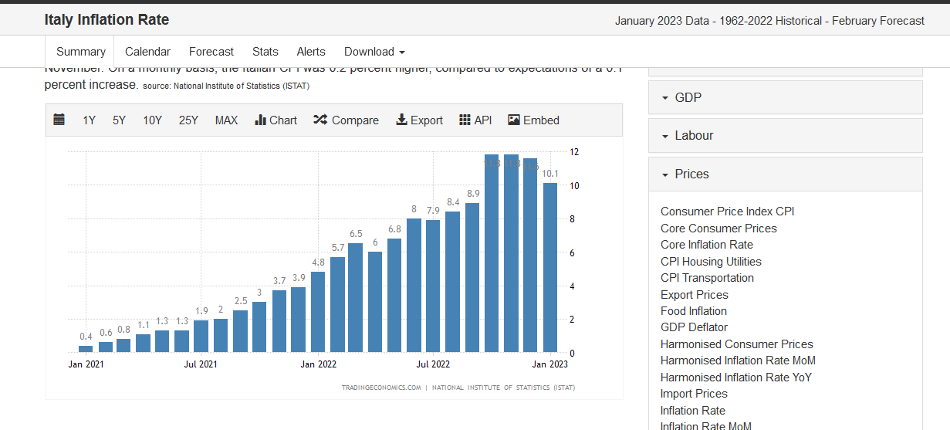

0 | 0 | CPI-of all items
Jan-2020 |  | 0.4938832
Feb-2020 |  | 0.2471158
Mar-2020 |  | 0.1367028
Apr-2020 |  | 0.07672403
May-2020 |  | -0.2368272
Jun-2020 |  | -0.2664756
Jul-2020 |  | -0.3536606
Aug-2020 |  | -0.5301875
Sep-2020 |  | -0.5747738
Oct-2020 |  | -0.3119141
Nov-2020 |  | -0.2053003
Dec-2020 |  | -0.1077247
Jan-2021 |  | 0.3346907
Feb-2021 |  | 0.5586702
Mar-2021 |  | 0.7528661
Apr-2021 |  | 1.033894
May-2021 |  | 1.245146
Jun-2021 |  | 1.320921
Jul-2021 |  | 1.879298
Aug-2021 |  | 2.083052
Sep-2021 |  | 2.561351
Oct-2021 |  | 3.020793
Nov-2021 |  | 3.678911
Dec-2021 |  | 3.912895
Jan-2022 |  | 4.823397
Feb-2022 |  | 5.746766
Mar-2022 |  | 6.462932
Apr-2022 |  | 5.98569
May-2022 |  | 6.883694
Jun-2022 |  | 7.978518
Jul-2022 |  | 7.921727
Aug-2022 |  | 8.374871
Sep-2022 |  | 8.850271
Oct-2022 |  | 11.79466
Nov-2022 |  | 11.81829
Dec-2022 |  | 11.59496

